PO
PURCHASE ORDER
PO NO | : 4458 |  |  | TRACCE |  |  |  |  |  |  |  |  | EVERBEST TOWER - CENGKARENG BUSINESS CITY TOWER M
 |  |  |  | REPEAT ORDER |  |  |  |  |  |  |  |  | Jl. Atang Sanjaya no. 21 Benda - Tangerang Banten, Indonesia
DATE | : 18 Jan 2022 |  |  | JAKARTA |  |  |  |  |  |  |  |  | PHONE : 021 - 2252 9090
TO | : EDE |  |  | - |  |  |  |  |  |  |  |  | E-MAIL ADDRESS : buyer@everbestgroup.com
FACTORY | : LS

DESCRIPTION | SUPPLIER CODE | LTA ARTICLE | COLOUR | 颜色 | SIZE RANGE |  |  |  |  |  |  |  |  |  |  |  | QTY PAIRS | UNIT PRICE | AMOUNT
 |  |  |  |  | 26 | 27 | 28 | 29 | 30 | 31 | 32 | 33 | 34 | 35 | 36 | 37
 | 厂编号 | 我司鞋编号 |  |  |  |  |  |  |  |  |  |  |  |  |  |  |  | US$ | US$
TRACCE KIDS SHOES -SNEAKERS | DW | ABRIANA | LIGHT PINK | AS SAMPLE | 12 | 12 |  |  |  |  |  |  |  |  |  |  | 72 | $4.91 | $354
Material : FABRIC |  |  | SILVER | AS SAMPLE | 12 | 12 |  |  |  |  |  |  |  |  |  |  | 72 | $4.91 | $354
 |  |  |  | AS SAMPLE |  |  |  |  |  |  |  |  |  |  |  |  | - |  | $-

 |  |  |  |  |  |  |  |  |  |  |  |  |  |  |  |  | 144 |  | $707
Delivery Date | 25-Mar-22
交货日期
LOGO :
商标
TERM OF PAYMENT: | CREDIT

TK-JKT
CARTON MARK ：
( 箱标志 )

ABRIANA |  |  |  |  |  |  |  |  |  |  | NOTE

LIGHT PINK | SILVER

KYLAR 27 C20
MADE IN CHINA
MAN MADE MATERIAL
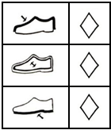
SHOE BOX BARCODE : |  | PACKAGING 包装: |  |  |  |  |  |  |  |  | LINING |  |  |  |  | SHOE MATERIAL CODE |  |  | QR CODE 二维码:
(请贴这些条码在鞋盒按照图片) |  | 鞋盒 和 箱子 包法 |  |  |  |  |  |  |  |  | (打印在内里上） |  |  |  |  | 鞋子材料贴标
 |  |  |  |  |  |  |  |  |  |  |  |  |  |  |  |  |  |  | 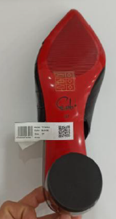

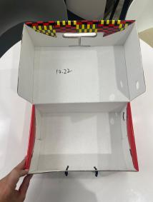

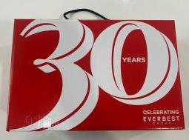
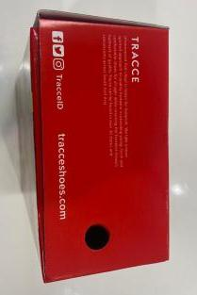
编号，码数，生产号码

请用LTA胶带封箱 。请看图片
 |  |  |  |  |  |  |  |  |  |  | INSOLE 垫脚

